Hiearchy View
CLASS: UTILITY VAULT
an underground room providing access to subterranean public utility equipment, such as valves for water or natural gas pipes, or switchgear for electrical or telecommunications equipment. |  | 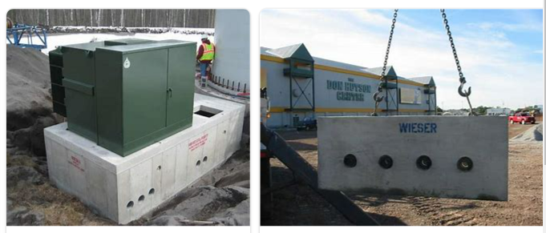
REMOVE | N

PROBLEM_DESC | CAUSE_DESC | REMEDY_DESC
BROKEN/DAMAGED
LIGHTING
OTHER PROBLEM
OVERHEATING
POWER-ELEC
STOPPED/SLOWED/POOR OPS
TEMP-CTRL
VIBRATION
Grand Total

